ERD TABLES
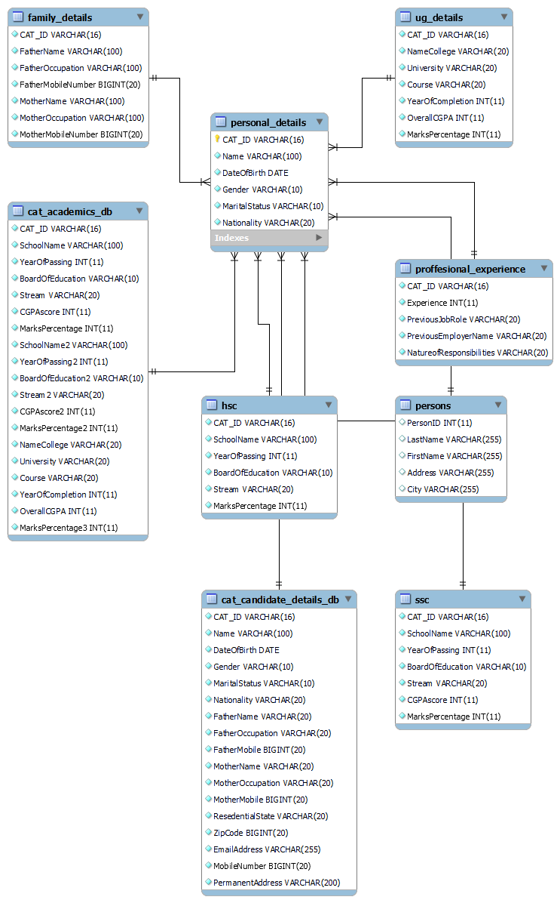

Grant_authorization
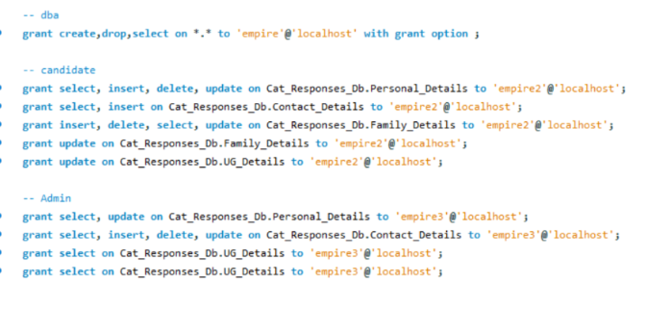
Role | Name | userid | password | authority | tables
DBA | Empire | Karan | Karan | create/drop/grant on all objects
Candidate | Empire2 | Eshaan | Eshaan | select,insert,delete,update | Cat_Responses_Db.Personal_Details, Cat_Responses_Db.Contact_Details, Cat_Responses_Db.Family_Details, Cat_Responses_Db.UG_Details
Admin | Empire3 | Aarti | Aarti | select, insert, delete, update | Cat_Responses_Db.Personal_Details, Cat_Responses_Db.Contact_Details, Cat_Responses_Db.Family_Details, Cat_Responses_Db.UG_Details

